Sheet1
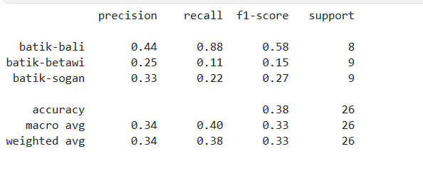
MODEL 1 (batch size = 32) |  | Feature | Convolutional Model 1 | Convolutional Model 2 (with Augmentation + less batch size) | Transfer Learning Model (MobileNetV2) | Transfer Learning Model (MobileNetV2) with Dropout and Batch Normalization | Transfer Learning Model (MobileNetV2) with Dropout and Batch Normalization and Regularization | Transfer Learning Model (EfficientNetB2) | Transfer Learning Model (EfficientNetB2) with less batch size and augmentation | Transfer Learning Model (EfficientNetB2) with less batch size and augmentation (more zoom)
ARCHITECTURE | #from scratch | Model Type | Custom CNN | Custom CNN | Pre-trained MobileNetV2 + Custom Layers | Pre-trained MobileNetV2 + Custom Layers | Pre-trained MobileNetV2 + Custom Layers | Pre-trained EfficientNetB2 + Custom Layers | Pre-trained EfficientNetB2 + Custom Layers | Pre-trained EfficientNetB2 + Custom Layers
 | model = models.Sequential() | Base Model | N/A | N/A | MobileNetV2 (ImageNet weights) | MobileNetV2 (ImageNet weights) | MobileNetV2 (ImageNet weights) | EfficientNetB2 (ImageNet weights) | EfficientNetB2 (ImageNet weights) | EfficientNetB2 (ImageNet weights)
 |  | Trainable Base | N/A | N/A | No (base model is frozen) | No (base model is frozen) | No (base model is frozen) | No (base model is frozen) | Partially (last 20 layers unfrozen) | Partially (last 20 layers unfrozen)
 | model.add(layers.Conv2D(32, (3, 3), activation='relu', input_shape=img_shape)) | Batch size | 32 | 15 | 32 | 32 | 32 | 32 | 5 | 5
 | model.add(layers.MaxPooling2D((2, 2))) | Layers | Conv2D, MaxPooling2D, Flatten, Dense | Conv2D, MaxPooling2D, Flatten, Dense | Flatten, Dense | Flatten, Dense, BatchNormalization, Dropout, Dense | GlobalAveragePooling2D, Dense, BatchNormalization, Dropout, Dense | GlobalAveragePooling2D, Dense, BatchNormalization, Dropout, Dense | GlobalAveragePooling2D, Dense, BatchNormalization, Dropout, Dense | GlobalAveragePooling2D, Dense, BatchNormalization, Dropout, Dense
 |  | Conv2D Layers | 4 layers (32, 64, 128, 256 filters) | 4 layers (32, 64, 128, 256 filters) | N/A | N/A | N/A | N/A | N/A | N/A
 | model.add(layers.Conv2D(64, (3, 3), activation='relu')) | Dense Layers | 2 layers (512 units, 3 units) | 2 layers (512 units, 3 units) | 2 layers (512 units, 3 units) | 2 layers (512 units, 3 units) | 2 layers (512 units, 3 units) | 2 layers (512 units, 3 units) | 2 layers (512 units, 3 units) | 2 layers (512 units, 3 units)
 | model.add(layers.MaxPooling2D((2, 2))) | BatchNormalization Layer | N/A | N/A | N/A | Yes | Yes | Yes | Yes | Yes
 |  | Dropout Layer | N/A | N/A | N/A | Yes (0.5) | Yes (0.5) | Yes (0.5) | Yes (0.5) | Yes (0.5)
 | model.add(layers.Conv2D(128, (3, 3), activation='relu')) | Regularization | N/A | N/A | N/A | N/A | Yes (L2 regularization with l2(0.01)) | Yes (L2 regularization with l2(0.01)) | Yes (L2 regularization with l2(0.01)) | Yes (L2 regularization with l2(0.01))
 | model.add(layers.MaxPooling2D((2, 2))) | Activation Functions | ReLU, Softmax | ReLU, Softmax | ReLU, Softmax | ReLU, Softmax | ReLU, Softmax | ReLU, Softmax | ReLU, Softmax | ReLU, Softmax
 |  | Optimizer | Adam | Adam | Adam (learning rate = 1e-4) | Adam (learning rate = 1e-4) | Adam (learning rate = 1e-3) | Adam (learning rate = 1e-3) | Adam (learning rate = 1e-3) | Adam (learning rate = 1e-3)
 | model.add(layers.Conv2D(256, (3, 3), activation='relu')) | Loss Function | Categorical Crossentropy | Categorical Crossentropy | Categorical Crossentropy | Categorical Crossentropy | Categorical Crossentropy | Categorical Crossentropy | Categorical Crossentropy | Categorical Crossentropy
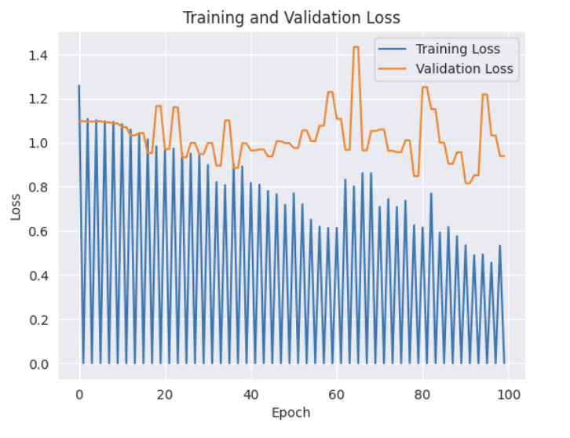
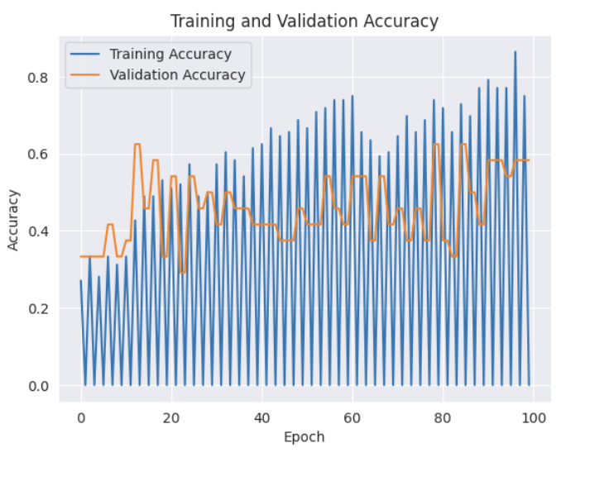
 | model.add(layers.MaxPooling2D((2, 2))) | Metrics | Accuracy | Accuracy | Accuracy | Accuracy | Accuracy | Accuracy | Accuracy | Accuracy
 |  | Epochs | 100 | 100 | 100 | 100 | 100 | 100 | 100 | 100
 | model.add(layers.Flatten()) | Early Stopping | Yes (monitor='val_loss', patience=10) | Yes (monitor='val_loss', patience=10) | Yes (monitor='val_loss', patience=10) | Yes (monitor='val_loss', patience=10) | Yes (monitor='val_loss', patience=10) | Yes (monitor='val_loss', patience=10) | Yes (monitor='val_loss', patience=10) | Yes (monitor='val_loss', patience=10)
 | model.add(layers.Dense(512, activation='relu')) | Data Augmentation | Rescale (1./255) | Rotation, Width/Height Shift, Zoom, Horizontal Flip, Shear, Fill Mode, Rescale | Rescale (1./255) | Rescale (1./255) | Rescale (1./255) | Rescale (1./255) | Width (0.2) and Height (0.2) Shift, Zoom (0.3), Rescale | Width (0.2) and Height (0.2) Shift, Zoom (0.5), Rescale
 | model.add(layers.Dense(3, activation='softmax')) | Fit Function Parameters | new_train, epochs=epoch, validation_data=new_valid, callbacks=[early_stopping] | new_train, epochs=epoch, validation_data=new_valid, callbacks=[early_stopping] | new_train, epochs=100, validation_data=new_valid, callbacks=[early_stopping] | new_train, epochs=100, validation_data=new_valid, callbacks=[early_stopping] | new_train, epochs=100, validation_data=new_valid, callbacks=[early_stopping] | new_train, epochs=100, validation_data=new_valid, callbacks=[early_stopping] | new_train, epochs=100, validation_data=new_valid, callbacks=[early_stopping] | new_train, epochs=100, validation_data=new_valid, callbacks=[early_stopping]
 |  | Evaluation
 | model.compile(optimizer='adam', | Precision | batik-bali: 0.31 batik-betawi: 0.44 batik-sogan: 0.25 | batik-bali: 0.00 batik-betawi: 0.75 batik-sogan: 0.38 | batik-bali: 0.43 batik-betawi: 0.38 batik-sogan: 0.00 | batik-bali: 0.33 batik-betawi: 0.40 batik-sogan: 0.14 | batik-bali: 0.40 batik-betawi: 0.50 batik-sogan: 0.67 | batik-bali: 0.00 batik-betawi: 0.35 batik-sogan: 0.00 | batik-bali: 0.56 batik-betawi: 1.00 batik-sogan: 0.64 | batik-bali: 0.56 batik-betawi: 1.00 batik-sogan: 0.58
 | loss='categorical_crossentropy', | Recall | batik-bali 0.33 batik-betawi 0.00 batik-sogan 0.38 | batik-bali: 0.00 batik-betawi: 0.33 batik-sogan: 0.89 | batik-bali: 0.38 batik-betawi: 0.67 batik-sogan: 0.00 | batik-bali: 0.38 batik-betawi: 0.44 batik-sogan: 0.11 | batik-bali: 0.50 batik- betawi: 0.56 batik-sogan: 0.44 | batik-bali:0.00 batik-betawi: 1.00 batik-sogan: 0.00 | batik-bali: 0.62 batik-betawi: 0.67 batik-sogan: 0.78 | batik-bali: 0.62 batik-betawi: 0.56 batik-sogan: 0.78
 | metrics=['accuracy']) | F1-Score | batik-bali: 0.38 batik-betawi: 0.44 batik-sogan: 0.15 | batik-bali: 0.00 batik-betawi: 0.46 batik-sogan: 0.53 | batik-bali: 0.40 batik-betawi: 0.48 batik-sogan: 0.00 | batik-bali: 0.35 batik-betawi: 0.42 batik-bali: 0.12 | batik-bali: 0.44 batik-betawi: 0.53 batik-sogan: 0.53 | batik-bali: 0.00 batik-betawi: 0.51 batik-sogan: 0.00 | batik-bali: 0.59 batik-betawi: 0.80 batik-sogan: 0.70 | batik-bali: 0.59 batik-betawi: 0.71 batik-sogan: 0.67
 |  | Accuracy | 0.35 | 0.42 | 0.35 | 0.31 | 0.5 | 0.35 | 0.69 | 0.65
AUGMENTATION | train_aug = ImageDataGenerator( | Training and Validation Loss
 | rotation_range = 40,
 | width_shift_range = 0.2,
 | height_shift_range = 0.2, | Kenapa kita menggunakan L2 dan bukan L1?
 | zoom_range = 0.5, | https://medium.com/@fernando.dijkinga/explaining-l1-and-l2-regularization-in-machine-learning-2356ee91c8e3#:~:text=Use%20L1%20Regularization%20(Lasso)%20when,of%20irrelevant%20features%20to%20zero
 | horizontal_flip = True,
 | shear_range = 0.2,
 | fill_mode = 'nearest', #pixel yg hilang diisi dengan nilai pixel terdekat
 | rescale=1./255
 | )

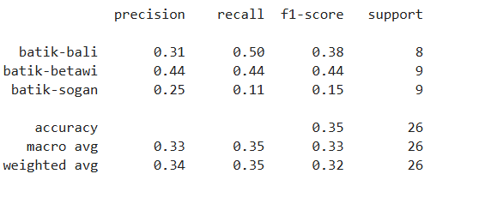
MODIF (batch = 32)
ARCHITECTURE | model = models.Sequential()

 | model.add(layers.Conv2D(32, (3, 3), activation='relu', input_shape=img_shape))
 | model.add(layers.MaxPooling2D((2, 2)))

 | model.add(layers.Conv2D(64, (3, 3), activation='relu'))
 | model.add(layers.MaxPooling2D((2, 2)))

 | model.add(layers.Conv2D(128, (3, 3), activation='relu'))
 | model.add(layers.MaxPooling2D((2, 2)))

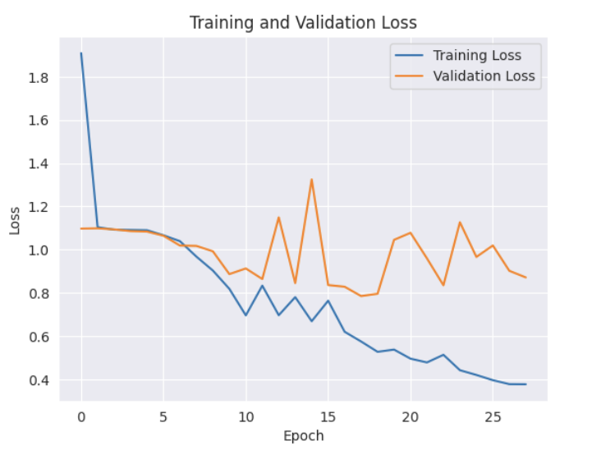
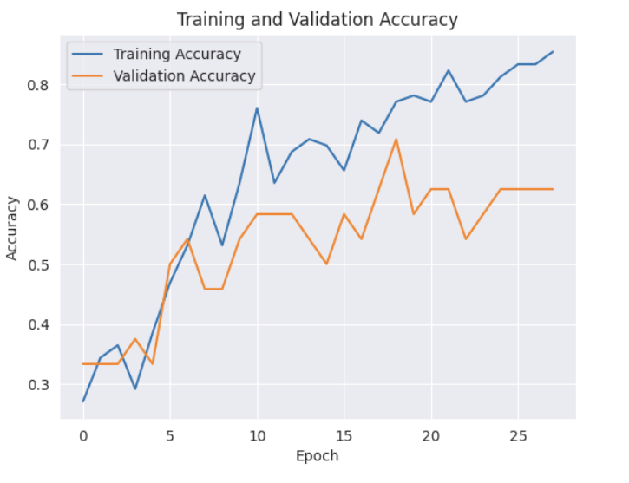
 | model.add(layers.Conv2D(256, (3, 3), activation='relu'))
 | model.add(layers.MaxPooling2D((2, 2)))

 | model.add(layers.Flatten())
 | model.add(layers.Dense(512, activation='relu'))
 | model.add(layers.Dense(3, activation='softmax'))

 | model.compile(optimizer='adam',
 | loss='categorical_crossentropy',
 | metrics=['accuracy'])
 | epoch = 100
 | early_stopping = EarlyStopping(monitor='val_loss', patience=10, restore_best_weights=True)
 | predict = model.fit(new_train,
 | epochs = epoch,
 | validation_data = new_valid,
 | callbacks = [early_stopping]
 | )
AUGMENTATION | train_aug = ImageDataGenerator(
 | rescale=1./255
 | )
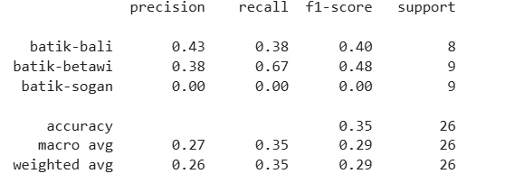
MODIF TL (batch 32)
ARCHITECTURE | # Load MobileNetV2 model without the top layer
 | base_model = MobileNetV2(weights='imagenet', include_top=False, input_shape=(128, 128, 3))

 | # Freeze the base model
 | base_model.trainable = False

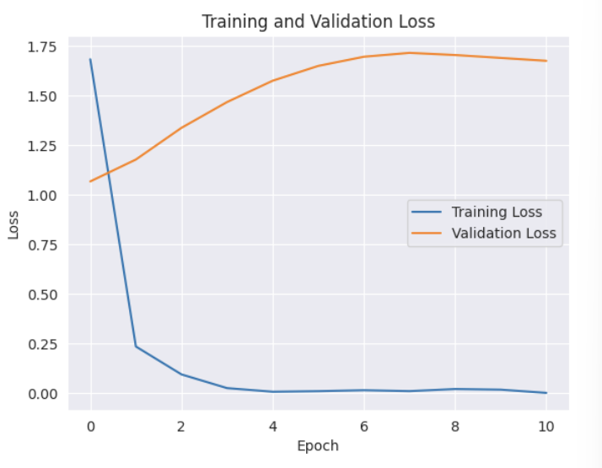
 | transfer_model = Sequential([
 | base_model,
 | Flatten(),
 | Dense(512, activation='relu'),
 | Dense(3, activation='softmax')
 | ])

 | # Compile the model
 | transfer_model.compile(optimizer=Adam(learning_rate=1e-4), loss='categorical_crossentropy', metrics=['accuracy'])
 | early_stopping = EarlyStopping(monitor='val_loss', patience=10, restore_best_weights=True)
 | mobilenet_train = transfer_model.fit(
 | new_train,
 | epochs=100,
 | validation_data=new_valid,
 | callbacks = [early_stopping]
 | )
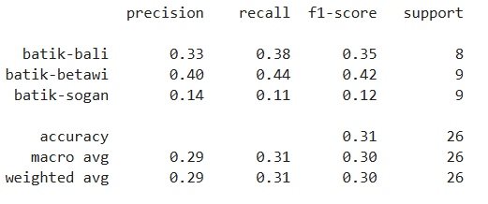
MODIF TL 2
ARCHITECTURE | # Load MobileNetV2 model without the top layer
 | base_model = MobileNetV2(weights='imagenet', include_top=False, input_shape=(128, 128, 3))

 | # Freeze the base model
 | base_model.trainable = False

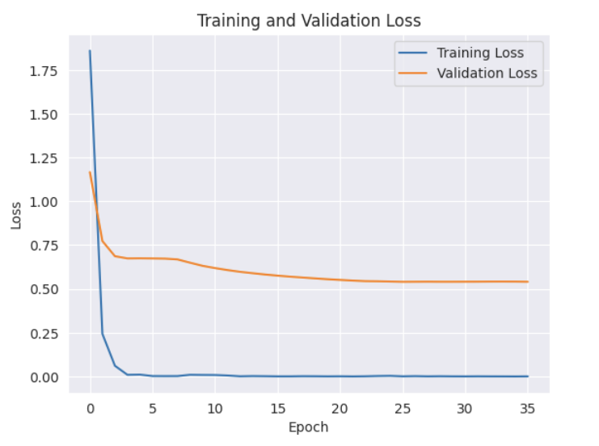
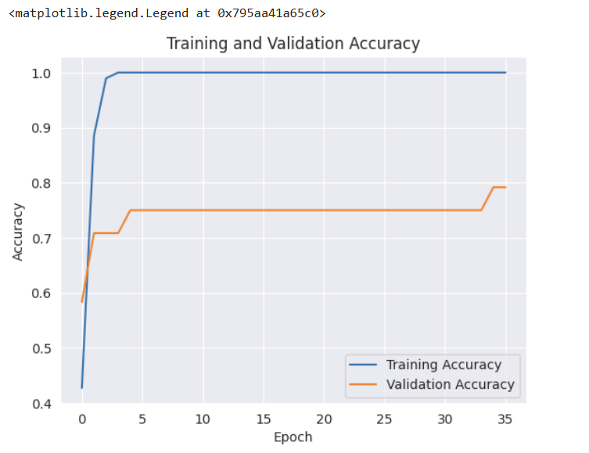
 | transfer_model = Sequential([
 | base_model,
 | Flatten(),
 | Dense(512, activation='relu'),
 | BatchNormalization(),
 | Dropout(0.5),
 | Dense(3, activation='softmax')
 | ])

 | # Compile the model
 | transfer_model.compile(optimizer=Adam(learning_rate=1e-4), loss='categorical_crossentropy', metrics=['accuracy'])
AUGMENTATION | -

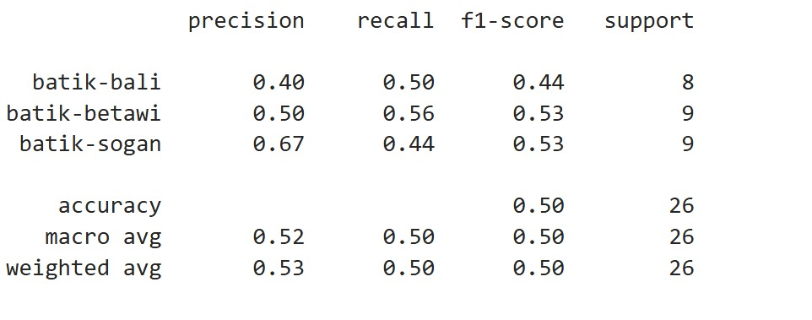
MODIF TL 2
ARCHITECTURE | base_model = MobileNetV2(weights='imagenet', include_top=False, input_shape=(128, 128, 3))
 | ​
 | # Freeze the base model
 | base_model.trainable = False
 | ​
 | l2_reg = l2(0.01)
 | ​
 | # Build the transfer learning model
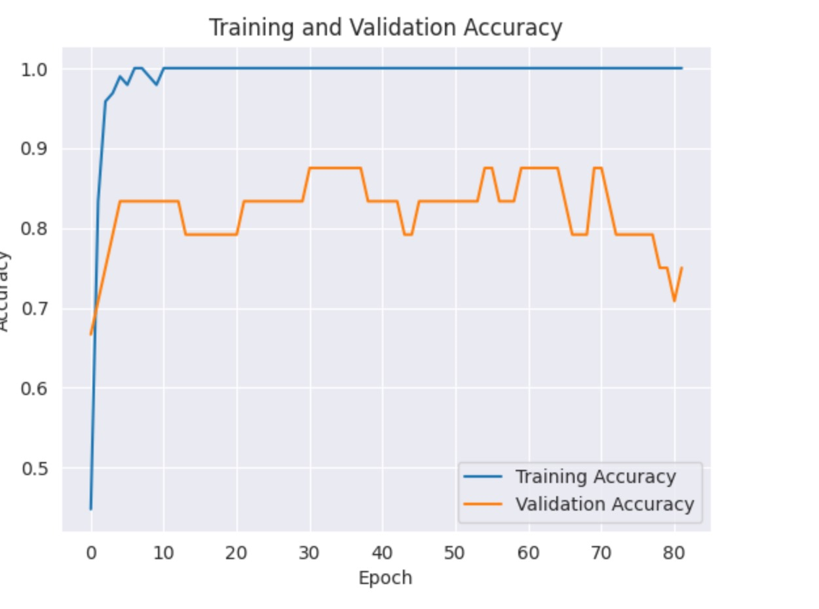
 | transfer_model = Sequential([
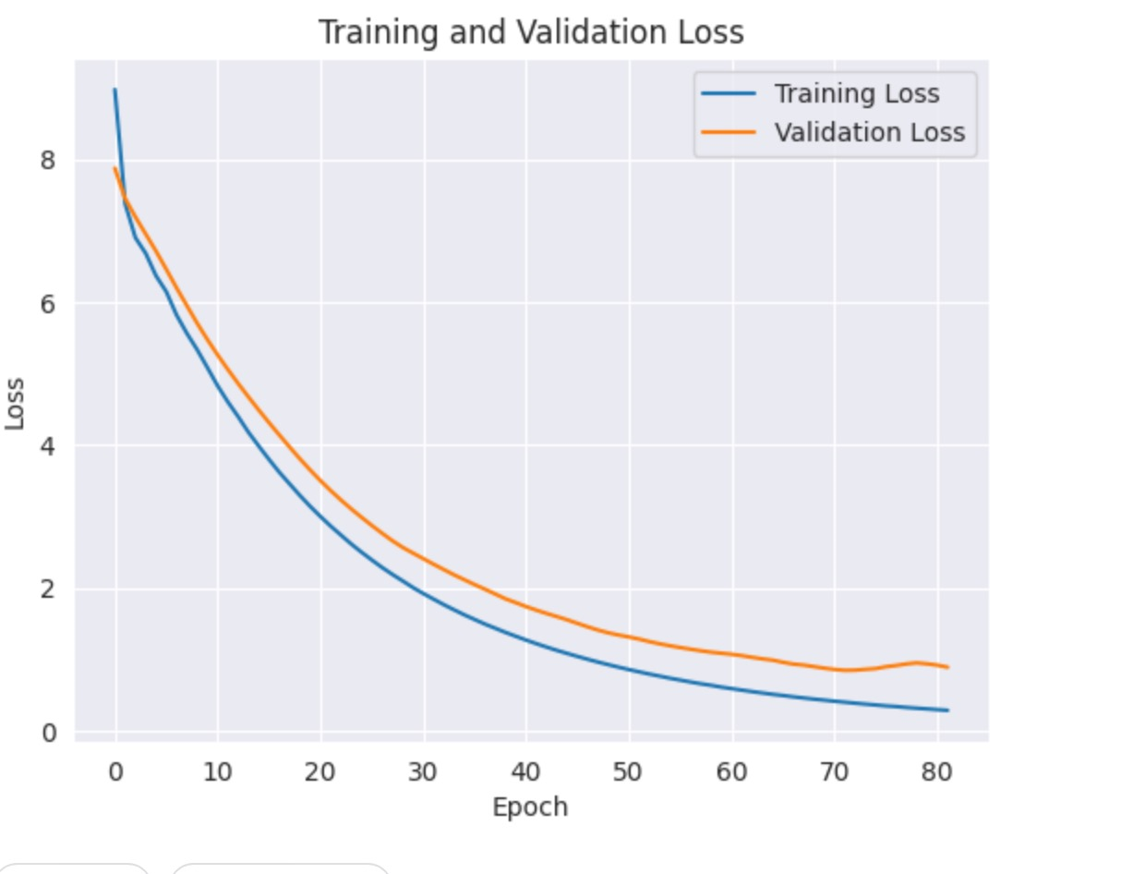
 | base_model,
 | GlobalAveragePooling2D(),
 | Dense(512, activation='relu', kernel_regularizer=l2_reg),
 | BatchNormalization(),
 | Dropout(0.5),
 | Dense(3, activation='softmax')
 | ])
 | # Compile the model
 | transfer_model.compile(optimizer=Adam(learning_rate=1e-3), loss='categorical_crossentropy', metrics=['accuracy']
AUGMENTATION | -

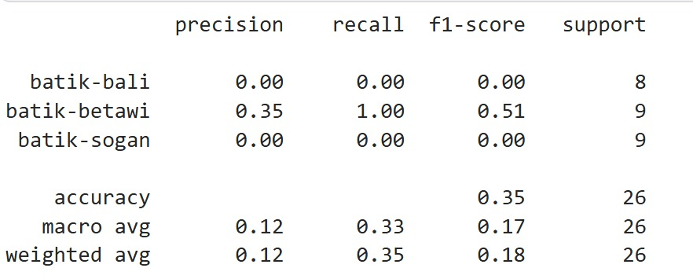
MODIF TL 3 (EfficientNet)
ARCHITECTURE | # Load EfficientNetB2 model without the top layer
 | base_model = EfficientNetB2(weights='imagenet', include_top=False, input_shape=(128, 128, 3))

 | # Freeze the base model
 | base_model.trainable = False

 | l2_reg = l2(0.01)

 | # Build the transfer learning model
 | transfer_model = Sequential([
 | base_model,
 | GlobalAveragePooling2D(),
 | Dense(512, activation='relu', kernel_regularizer=l2_reg),
 | BatchNormalization(),
 | Dropout(0.5),
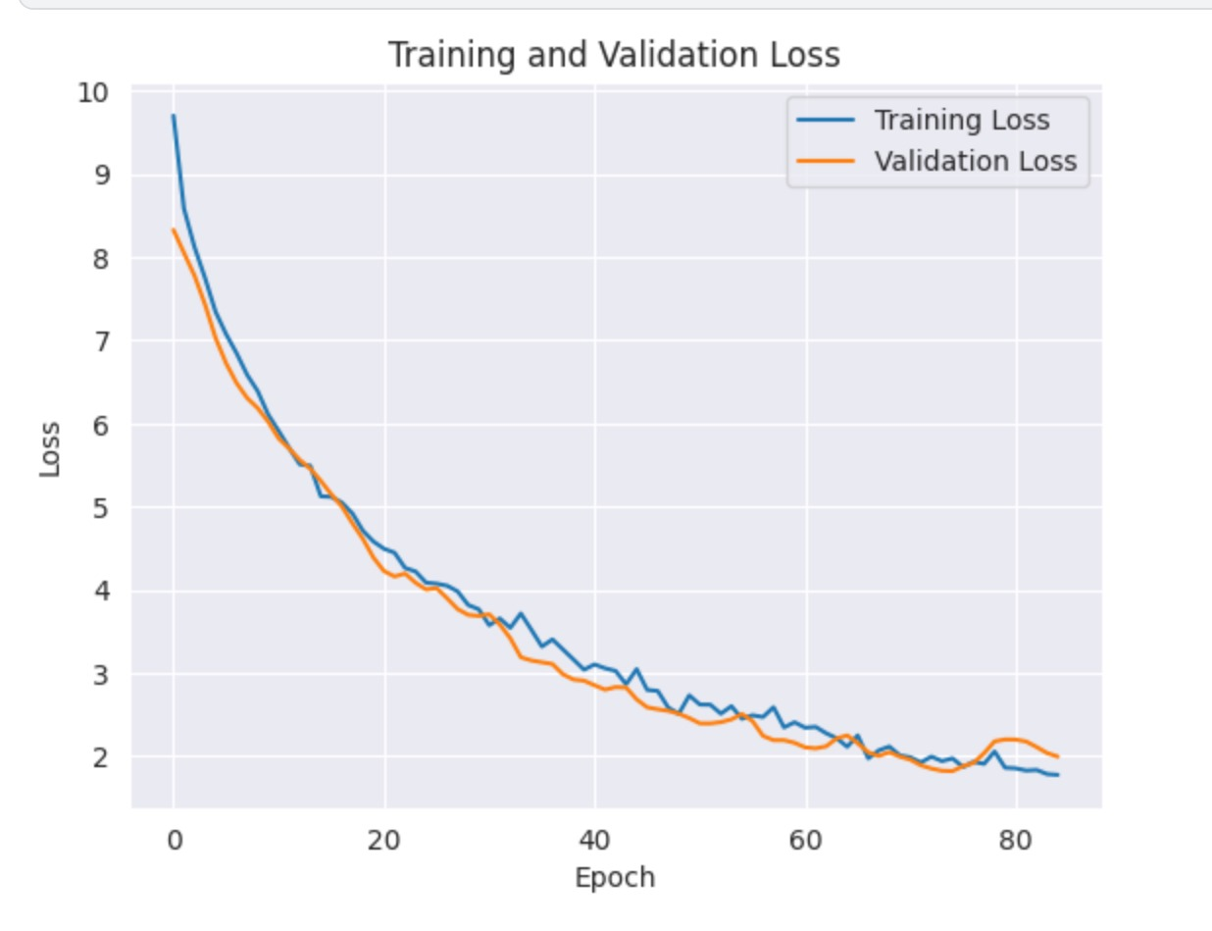
 | Dense(3, activation='softmax')
 | ])

 | # Compile the model
 | transfer_model.compile(optimizer=Adam(learning_rate=1e-3), loss='categorical_crossentropy', metrics=['accuracy'])

 | # Optional: To reduce validation loss and avoid overfitting, add EarlyStopping and learning rate reduction
 | early_stopping = EarlyStopping(monitor='val_loss', patience=10, restore_best_weights=True)
 | reduce_lr = ReduceLROnPlateau(monitor='val_loss', factor=0.2, patience=5, min_lr=1e-6)

 | # Train the model
 | efficient_net = transfer_model.fit(
 | new_train,
 | epochs=100,
 | validation_data=new_valid,
 | callbacks=[early_stopping, reduce_lr]
 | )
AUGMENTATION

MODEL TL 4
ARCHITECTURE | # Load EfficientNetB2 model without the top layer
 | base_model = EfficientNetB2(weights='imagenet', include_top=False, input_shape=(128, 128, 3))
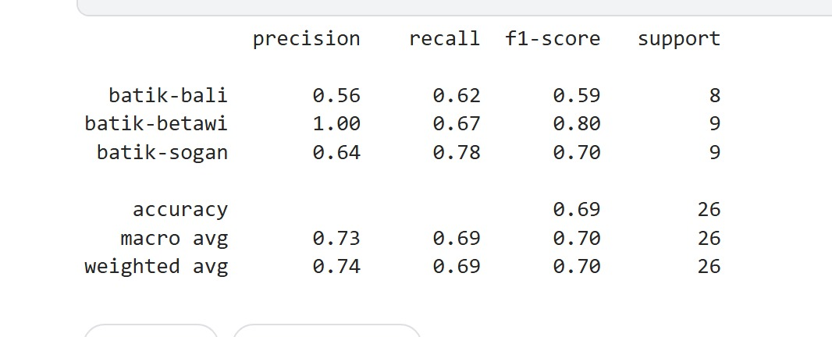
 | # Unfreeze some of the last layers of the base model
 | for layer in base_model.layers[-20:]:
 | layer.trainable = True

 | l2_reg = l2(0.01)

 | # Build the transfer learning model
 | transfer_model = Sequential([
 | base_model,
 | GlobalAveragePooling2D(),
 | Dense(512, activation='relu', kernel_regularizer=l2_reg),
 | BatchNormalization(),
 | Dropout(0.5),
 | Dense(3, activation='softmax')
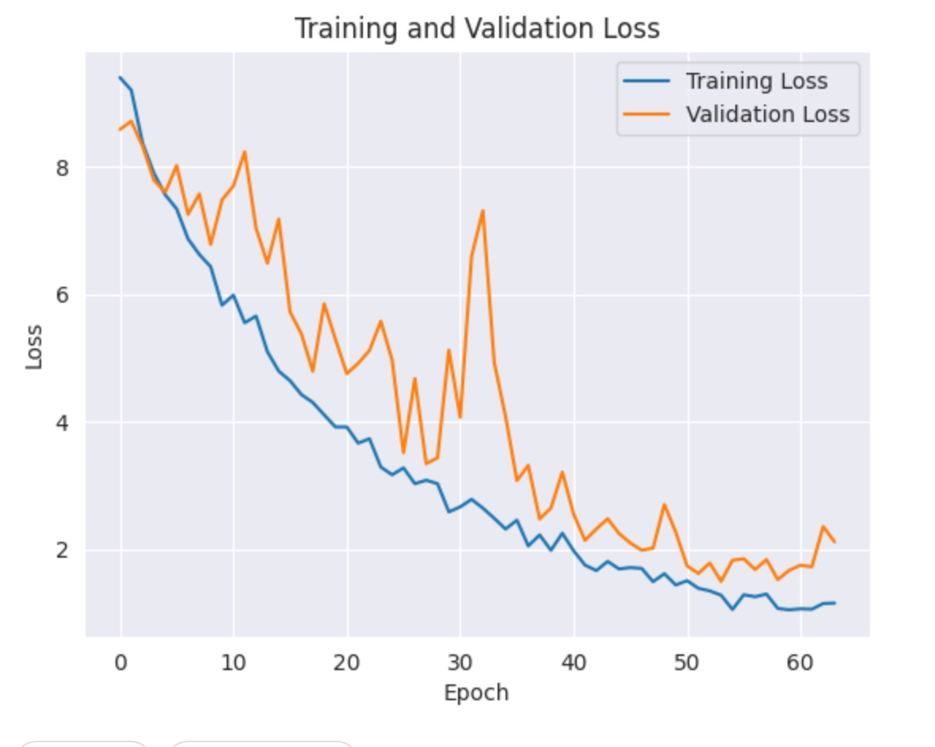
 | ])

 | # Compile the model
 | transfer_model.compile(optimizer=Adam(learning_rate=1e-3), loss='categorical_crossentropy', metrics=['accuracy'])

 | # Optional: To reduce validation loss and avoid overfitting, add EarlyStopping and learning rate reduction
 | early_stopping = EarlyStopping(monitor='val_loss', patience=10, restore_best_weights=True)
 | reduce_lr = ReduceLROnPlateau(monitor='val_loss', factor=0.2, patience=3, min_lr=1e-3)

 | # Train the model with fine-tuning
 | efficient_net = transfer_model.fit(
 | train_generator,
 | epochs=100,
 | validation_data=valid_generator,
 | callbacks=[early_stopping, reduce_lr]
 | )

 | # Print train and validation accuracy
 | print(f"Train Accuracy: {efficient_net.history['accuracy'][-1]}")
 | print(f"Validation Accuracy: {efficient_net.history['val_accuracy'][-1]}")

 | # Evaluate the model on the test set
 | test_loss, test_accuracy = transfer_model.evaluate(test_generator)
 | print(f"Test Accuracy: {test_accuracy}")

 | # Evaluate the model on the test set
 | transfer_predict = transfer_model.predict(test_generator)

AUGMNENTATION | # Data preprocessing with normalization and augmentation
 | train_datagen = ImageDataGenerator(
 | rescale=1./255,
 | width_shift_range=0.2,
 | height_shift_range=0.2,
 | # shear_range=0.2,
 | zoom_range=0.3
 | # fill_mode='nearest'
 | )
 | valid_datagen = ImageDataGenerator(rescale=1./255)
 | test_datagen = ImageDataGenerator(rescale=1./255)

 | # Assuming new_train, new_valid, new_test are directories of training, validation, and test sets
 | train_generator = train_datagen.flow_from_directory(
 | train_dir,
 | target_size=(128, 128),
 | batch_size=5,
 | class_mode='categorical'
 | )

 | valid_generator = valid_datagen.flow_from_directory(
 | valid_dir,
 | target_size=(128, 128),
 | batch_size=5,
 | class_mode='categorical'
 | )

 | test_generator = test_datagen.flow_from_directory(
 | test_dir,
 | target_size=(128, 128),
 | batch_size=55,
 | class_mode='categorical',
 | shuffle=False
 | )

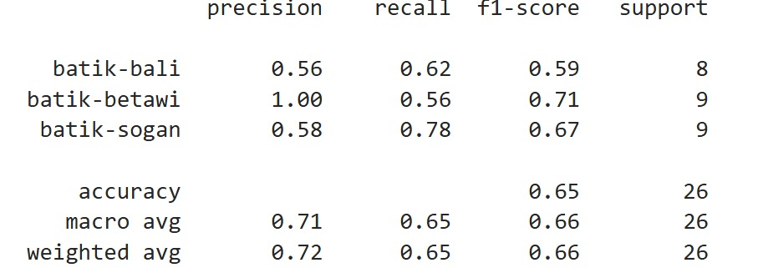
MODIF TL 5 ( nambahin drop out, patient early stopped = 10, zoom rangenya jadi 0.5)
ARCHITECTURE | # Load EfficientNetB2 model without the top layer
 | base_model = EfficientNetB2(weights='imagenet', include_top=False, input_shape=(128, 128, 3))

 | # Unfreeze some of the last layers of the base model
 | for layer in base_model.layers[-20:]:
 | layer.trainable = True

 | l2_reg = l2(0.01)

 | # Build the transfer learning model
 | transfer_model = Sequential([
 | base_model,
 | GlobalAveragePooling2D(),
 | Dropout(0.5),
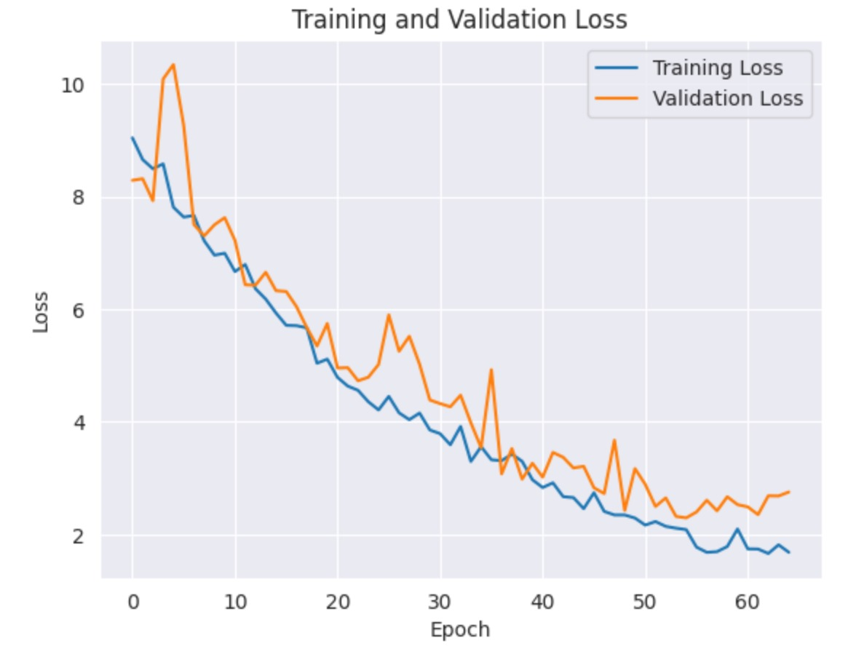
 | Dense(512, activation='relu', kernel_regularizer=l2_reg),
 | BatchNormalization(),
 | Dropout(0.5),
 | Dense(3, activation='softmax')
 | ])

 | # Compile the model
 | transfer_model.compile(optimizer=Adam(learning_rate=1e-3), loss='categorical_crossentropy', metrics=['accuracy'])

 | # Optional: To reduce validation loss and avoid overfitting, add EarlyStopping and learning rate reduction
 | early_stopping = EarlyStopping(monitor='val_loss', patience=10, restore_best_weights=True)
 | reduce_lr = ReduceLROnPlateau(monitor='val_loss', factor=0.2, patience=3, min_lr=1e-3)

 | # Train the model with fine-tuning
 | efficient_net = transfer_model.fit(
 | train_generator,
 | epochs=100,
 | validation_data=valid_generator,
 | callbacks=[early_stopping, reduce_lr]
 | )
AUGMENTATION | # Data preprocessing with normalization and augmentation
 | train_datagen = ImageDataGenerator(
 | rescale=1./255,
 | width_shift_range=0.2,
 | height_shift_range=0.2,
 | # shear_range=0.2,
 | zoom_range=0.5
 | # fill_mode='nearest'
 | )
 | valid_datagen = ImageDataGenerator(rescale=1./255)
 | test_datagen = ImageDataGenerator(rescale=1./255)

 | # Assuming new_train, new_valid, new_test are directories of training, validation, and test sets
 | train_generator = train_datagen.flow_from_directory(
 | train_dir,
 | target_size=(128, 128),
 | batch_size=5,
 | class_mode='categorical'
 | )

 | valid_generator = valid_datagen.flow_from_directory(
 | valid_dir,
 | target_size=(128, 128),
 | batch_size=5,
 | class_mode='categorical'
 | )

 | test_generator = test_datagen.flow_from_directory(
 | test_dir,
 | target_size=(128, 128),
 | batch_size=5,
 | class_mode='categorical',
 | shuffle=False
 | )

